1. Title Page
Instacart Grocery Basket Analysis

Project Name: Instacart Grocery Basket Analysis
Date: 9/24/2023
Analyst Name: Auguste Shikongo

Contents:
Population Flow
Consistency checks
Wrangling steps
Column derivations
Visualizations
Recommendations

2. Population Flow
 |  | Title page | Population Flow Analysis Report

Population flow

Exclusion flag
Condition: max_order < 5
Obervations to be removed: 78667
Final total count of order_products_all: 921333

Orders_products_combined
Orders_products_merged
Orders_products_all

Total: 3243
Total:
Total:
32434488 | 999999

1.) The grey boxes in the first row of the population flow represent the original data sets as they were when you downloaded them. In the Total fields you need to add the count of the rows when you imported the data set into Jupyter.
2.) The second row of boxes (coloured) represents the data sets after you manipulated them, e.g., removed missing values and duplicates. In the Total fields you need to add the count of the rows after conducting these operations. This offers a visual oveview of how the data flows throughout the data consistency checks.
3.) The third row, where also the arrows are coloured, represents the merges you performed between the datasets. In the Total fields you need to add the count of the rows in the merged datasets, so that you end up with the final dataset (in the red box). Keep in mind the final dataset should be without exclusions (based on the exclusion flag).

3. Consistency checks
 |  |  |  | Title page | Data Quality Assessment and Data Integrity
Consistency checks

Dataset | Missing values | Missing values treatment | Duplicates
orders | 206209 | Create a new dataframe,df_orders_clean, by filtering out row with missing data. | No duplicate data
products | 16 | C reate a new dataframe, df_orders_clean, by filtering out row (product_name) with missing data | There is five rows with duplicate data. So, I created a new dataframe that does not include duplicated
orders_products_prior
customers | No missing value | No missing values tobe treatment | No duplicated data

4. Wrangling steps
 |  |  |  | Title page | Data Transformation and Column Operations
Wrangling steps

Columns dropped | Columns renamed | Columns' type changed | Comment/Reason
 | Order_dow column renamed changed to orders day of the week. |  | Column renamed to the name that been easily to be understand
 |  | Order_id changed to string | Order_id data type changed to string as is not needed in the analysis.
Date_joined |  |  | Not add anything to the analysis
 | Surnam renamed changed to Surname
 | fam_status renamed changed to family_status
 |  | Income changed to float
First Name |  |  | Information are private
Surname |  |  | Information are private

5. Column derivations
 |  |  |  | Title page | Column Transformation and Conditional Logic

Column derivations and aggregations

In this tab you should add tables below that the frequences of flags/label variables that you produced after deriving them. NB: don't do this for continuous variables, only for flags.
Regular customer 473041
Loyal customer 288151
New customer 238808
Name: loyalty_flag, dtype: int64
Dataset | New column | Column/s it was derived from | Conditions
df_orders_products_merged | Busiest_days | orders_day_of_wek | if value == 0: "Busiest day" elif value == 4:"Least busy" else:"Regularly busy"
df_orders_products_merged | price_range | prices | if row['prices']<= 5: 'Low-range product' elif(row['prices'] < 5) and (row['prices']<= 15): 'Mid-range product' elif row['prices'] > 15: return 'High range' else: return 'Not enough data'
df_orders_products_merged | Busiest_period_of_day | order_hours_of_day | if value >= 9 and value <=16: "Most_orders" elif value >= 0 and value <=6: "Fewest_orders" else: "Average_orders"

6. Visualizations
 |  |  |  | Title page | Data Visualization and Analysis

Visualisations

In this tab you should include all the visualtions from Exercises 4.9 and 4.10, alongside the questions from the project brief that they answer. Include any commentary on the relationship between different variables.

 |  | 1. Busiest Days and Hours of the Week
 | Question: |  | The sales team needs to know what the busiest days of the week and hours of the day are (i.e., the days and times with the most orders) in order to schedule ads at times when there are fewer orders.
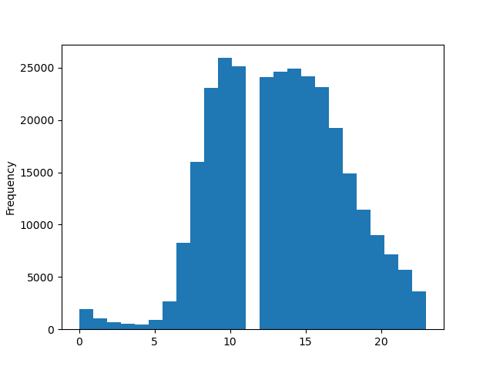

 | Commentary: This histogram illustrated the frequency of orders at different times of the day. It shows disctinict patterns:
 | Early morning orders (0:00AM to 5:00AM): A relatively low frequency of orders suggests that most customers are nor actively shopping during these early hours.
 | Morning Peak (5:00AM to 10:00AM): A significant increase in orders suggest that most customers prefer to shop in the morning, possibly before their daily activites.
 | Noon to Afternoon Lull (11:00AM to 12:00PM0; A gap in data with very few orders indicates a potential anomaly or reduced activity during this time
 | Afternoon Peak: (12:00PM to 3:00PM): Another peak in order frequency suggests that customers often shop during lunch and early afternoon.
 | Gradual decline (3:00pm to 8:00PM): A decline in orders as the day progress indicates fewer customers shopping in the evening.

2. Peak Spending Hours
Question: Are there specific times of the day when customers tend to spend the most money?
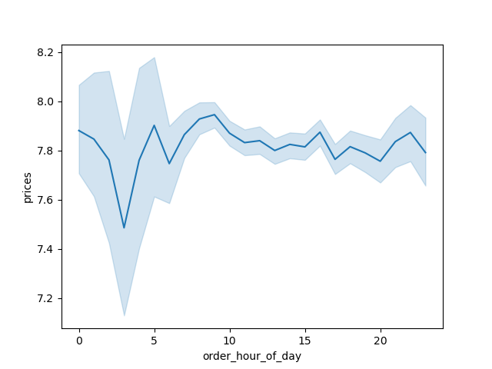

 | Commentary:
 | The chart depicts a clear trend where spending tends to increase during the evening hours
 | specifically between 5:00 PM and 8:00 PM. This period is marked by higher customer expenditure, likely due to individuals shopping after work or during their leisure time.
 | Conversely, spending experiences a decline in the early morning hours, from 12:00 AM to 4:00 AM.
 | This dip in spending may be attributed to reduced shopping activity during the late-night and early morning periods when customers are less likely to make purchases.

 | 3. Customer Loyalty Analysis
 | Question: What is the distribution of customer loyalty, and do ordering behviors differ based on loyalty?

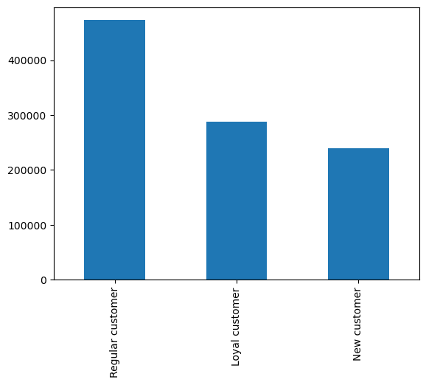

 | Commentary
 | The bar chart visually demonstrates the distribution of orders among customers with different loyalty.
 | Regulary Customers' nas the highesst number of orders, followed by 'loyal Customer' with 'New Customer' having the lowest number of orders.

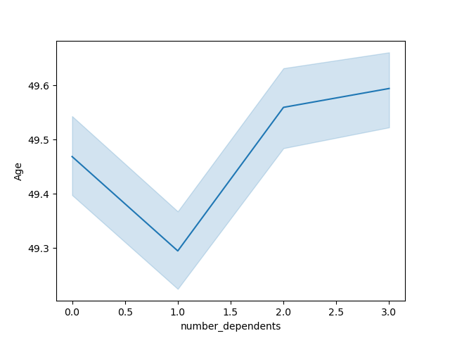
 | 4. Age variation across number of dependents
 | Question: How does the average age vary with the number of dependents, and what implications does this have for customer profiling?

 | Commentary:
 | The line chart illustrates how the average age changes in relation to the number of dependents.
 | It shows that when customers have no dependents (0.0), the average age is approximately 49.5 years.
 | As the number of dependents increases from 0.0 to 1.0, there is a gradual decline in the average age, reaching around 49.3 years.
 | However, beyond 1.0 dependents, the average age begins to increase rapidly, surpassing the initial 49.5 years.
 | This chart highlights a non-linear relationship between age and the number of dependents, which can be important for customer profiling and targeting specific customer segments.

 | 5.Demographic - Based Ordering Behavior
 | Question: Is there a connection between age and income?



 | Commentary:
 | This data, represented as a scatterplot, provides insights into the relationship between age and income
 | Age Range 20 to 80 with Incomes 100,000 to 200,000: Within this demographic, individuals are tightly clustered,
 | indicating a substantial concentration of people with incomes falling between 100,000 and 200,000 across the age range of 20 to 80 years. This group represents a key target market.
 | Age 20 to 40 with Incomes 200,000 to 400,000: In this age bracket, individuals exhibit a more dispersed pattern of points on the scatterplot.
 | While there is income variation, the points remain relatively close, suggesting that individuals within this age group have moderate income differences.
 | Targeting this segment might require tailored messaging.
 | Age 50 to 80 with Incomes 200,000 to 300,000: A similar clustering effect is observed for individuals aged 50 to 80 with incomes ranging from 200,000 to 300,000.
 | This demographic demonstrates a preference for a specific income range.
 | Missing Data Points: Notably, there are no visible data points for individuals aged 20 to 40 with incomes between 400,000 and 600,000.
 | This absence could indicate a lack of data for this particular segment or that very few individuals fall within this category.
 | Age 40 to 80 with Incomes 400,000 to 600,000: In the later years of life, individuals aged 40 to 80 show closely clustered points in the 400,000 to 600,000 income range.
 | This suggests that there is a concentration of individuals with similar income levels in this older age group.

 | 6. Customer Profile Analysis
 | Question: What differences exist in ordering habits among different customer profile?

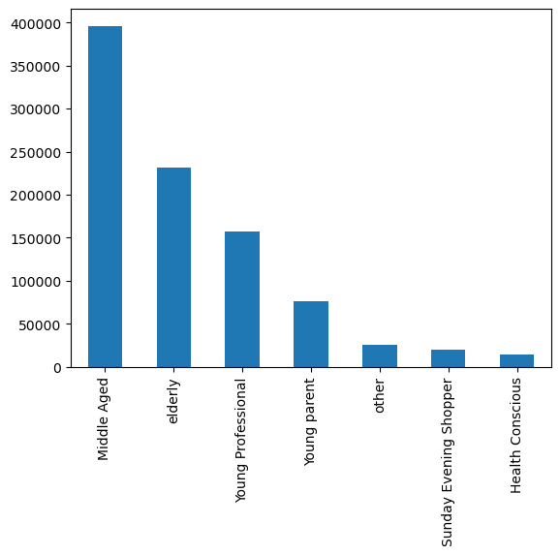

Commentary:
The data highlights significant differences in ordering habits among various customer profiles.
Middle-aged customers stand out as the most active and frequent orderers, contributing significantly to Instacart's order volume.
In contrast, profiles like young parents and those labeled as "other," "Sunday evening shopper," and "health conscious" place fewer orders,
indicating that their ordering behavior might be influenced by distinct factors such as lifestyle, family status, or specific product preferences.

7. Recommendations
 |  |  |  |  | Title page | Instacart Customer Profiling and Behavior Analysis Report

Recommendations

In this tab you should include any recommendations you would made to Instcart in terms of their marketing strategy based on the questions posed in the brief. Every key question has been covered in the Tasks of the Exercises - here you need to add an item - a visualisation or table/crosstable that is showing the answer in the data, acompanied by a comment from you. Please, list the questions below and add the answer underneath.

Key Question 1:

Key Question 1:
1. Busiest days and hours of the week
Question: What are the busiest days of the week and hours of the day in terms of order frequency?
Answer: Based on the 'histogram below of order hour of day vs order frequency, the busiest hours are 10:00 AM and 3:00PM. |  |  |  | And the busiet day is Surtuday.

Recommendation: Schedule ads |  | during the busiest hours (10:)0AM and 3:00PM and prioritize marketing efforts on Surtuday.

Key question 2.
Peak Spending Hours:
Question: | Are there specific times of the day when customers tend to spend the most money?
Answer: | Yes, there are specific times of the day when customers tend to spend more money.
Based on the chart's observation, there is a slight zig-zag pattern in spending between 5:00 PM and 8:00 PM,
indicating increased spending during these evening hours. In contrast, spending tends to decline from 12:00 AM to 4:00 AM, suggesting lower spending during the early morning hours.

Recommendation

Recommendation:
Targeted Promotions: Schedule targeted promotions, discounts, and advertisements during the peak spending hours between 5:00 PM and 8:00 PM to maximize revenue.
Late Evening Offers: Consider offering late evening deals or incentives to encourage customers to shop during the evening hours.
Early Morning Strategies: While spending is lower in the early morning, it might still be worthwhile to explore strategies to attract early risers or individuals who prefer shopping during these hours.
Data Analysis: Continuously analyze spending patterns to identify any emerging trends and adjust marketing strategies accordingly.

Key Question 3
Simplifying price range groupings
Question: Can we simplify price range groupings for products to aid marketing efforts?
Answer: The table of product prices reveals the distribution of product prices

 |  |  |  |  |  |  | .

 | Recommendation:
 | Consider consolidatin the "Not enough data" category and focus marketing efforts on the 'low_range product' and 'hign range' categories.
 | Fruther analysis is needed to determine the spefic |  | pecific price threshols for these categories to refine marketing strategies effectively.

 | Key Question 4
 | Popular Product Categories
 | Question: Which departments have the highest frequency of product orders?
 | Answer: The departments with the highest frequency of product orders are as follows (in descending order based on the mean order number):
 | Department 18 with a mean order number of 19.67.
 | Department 10 with a mean order number of 18.68.
 | Department 21 with a mean order number of 25.54.
 | Department 4 with a mean order number of 17.54.
 | Department 16 with a mean order number of 17.77.
 | Department 16 with a mean order number of 17.77.

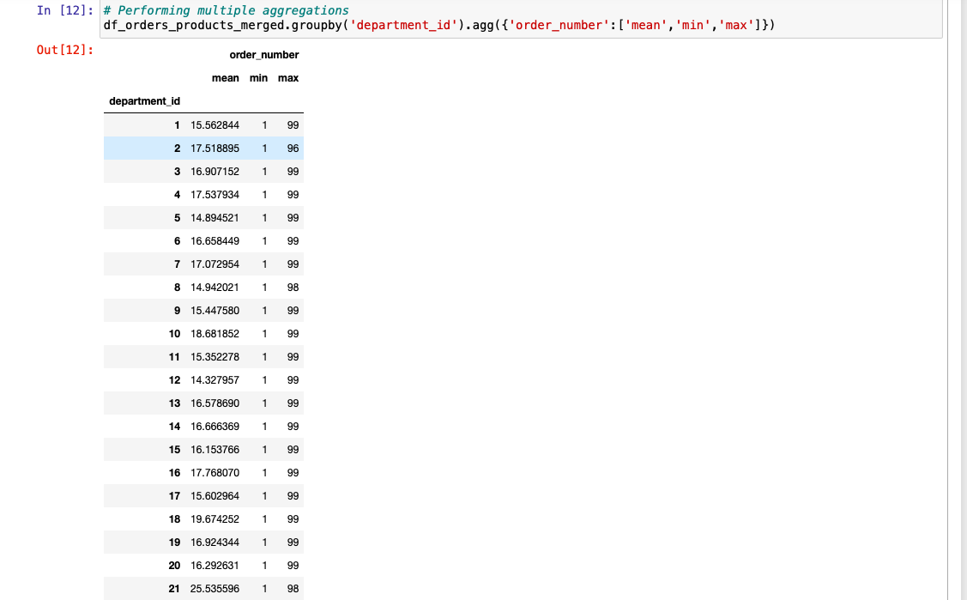

Recommedation
Focus on Top Departments: Allocate marketing resources and promotional efforts to the departments with the highest order frequency, such as Department 18 and Department 10, to maximize sales and customer engagement.
Product Diversification: Investigate the products within these departments and consider expanding their range to attract even more customers.
Customer Engagement: Engage with customers who frequently order from these departments by offering loyalty rewards, personalized recommendations, and timely promotions.
Market Analysis: Continuously monitor and analyze the performance of these high-frequency departments to adapt marketing strategies based on changing customer preferences and market trends.
Cross-Selling: Identify opportunities for cross-selling by recommending products from other departments to customers who frequently shop in these departments to increase basket sizes and revenue.

Key Question 5
Customer Loyality Analysis
Question: What is the distribution of customer loyalty, and ordering behaviors differ based on loyality status
Answer: The 'bar chart of loyality flag vs Number of orders' illustrated the distribution of loyalty statuses.

Recommendation: Tailor marketing strategies to cater to different loaylty groups. Reward loyal customers with special offers.

Key Question 6.
Demographic based ordering behavior
Question: | Is there a correlation between age and income among instacart customers, and if so, how can this information be used to target marketing efforts effectively?
Answer: | The scartterplots explores relationships between age and income

Recommendation:
Targeted Marketing: Focus on customers aged 20 to 80 with incomes between 100,000 and 200,000 for tailored marketing campaigns.
Segmentation: Consider subsegments within the 20 to 40 age group based on income brackets for more personalized marketing.
Data Investigation: Explore the gap in data for 20 to 40-year-olds with incomes between 400,000 and 600,000 to inform data collection improvements.
Leverage Concentration: Customize marketing efforts for customers aged 50 to 80 with incomes between 200,000 and 300,000 due to their concentration.
Continuous Monitoring: Adapt marketing strategies by regularly monitoring changing customer demographics and income patterns.

Key question 7
Age variation across number of dependents
Question: How does the average age vary with the number of dependents, and what implications does this have for customer profiling?
Answer: The data indicates that at 0.0 dependents, the average age is around 49.5 years. Between 0.0 and 1.0 dependents, the average age slightly declines to 49.3 years. Beyond 1.0 dependents, the average age starts to rise rapidly, exceeding 49.5 years.

Recommendations:
Segmented Targeting: Recognize the distinct age patterns related to the number of dependents. Tailor marketing strategies to address the specific needs and preferences of customers within these age and dependency groups.
Product Diversity: Offer a range of products that cater to customers at various life stages, considering their age and family status. This can include family-oriented promotions, senior discounts, or products suitable for different age groups.
Customer Support: Provide exceptional customer support, especially to customers with dependents, as they might have unique requirements and questions. Ensure that support teams are well-equipped to assist diverse customer profiles.
Loyalty Programs: Develop loyalty programs that consider the age and family dynamics of customers. Offer incentives and rewards that resonate with different customer segments to encourage repeat purchases.

8. Customer Profile Analysis
Customer Profile Analysis
Question: What are differences exist in ordering habits among different customer profile?

Recommendation
Targeted Marketing for Middle-Aged Customers: Given that middle-aged customers show the highest order frequency, consider launching targeted marketing campaigns to cater to their preferences and needs.
Highlight product offerings, promotions, and features that resonate with this demographic to further increase their engagement.
Engagement Strategies for Elderly Customers: While elderly customers order less frequently than middle-aged customers, their contribution is significant.
Implement engagement strategies such as personalized recommendations, loyalty programs, and user-friendly interfaces to make the ordering process more accessible and appealing for elderly customers.
Young Professional Convenience: Recognize that young professionals, with their busy lifestyles, have a lower order frequency.
Tailor marketing efforts to emphasize convenience, quick deliveries, and time-saving features to attract and retain this customer segment.
Young Parent-Focused Promotions: Young parents, who tend to place fewer orders due to family responsibilities, can be targeted with family-oriented promotions,
bulk discounts, and child-friendly product recommendations. These strategies can encourage more frequent orders and larger basket sizes.
Understanding Unique Preferences: For customer profiles labeled as "other," "Sunday evening shopper," and "health conscious," it's essential to understand their specific preferences and needs.
Conduct surveys or gather feedback to tailor marketing messages, product recommendations, and promotions that align with their unique shopping behaviors.

